Supporting Information
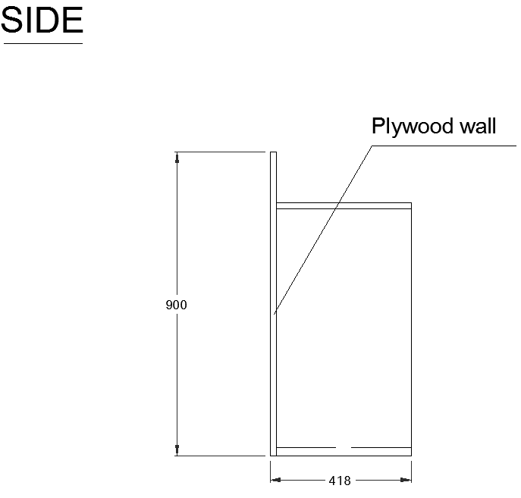
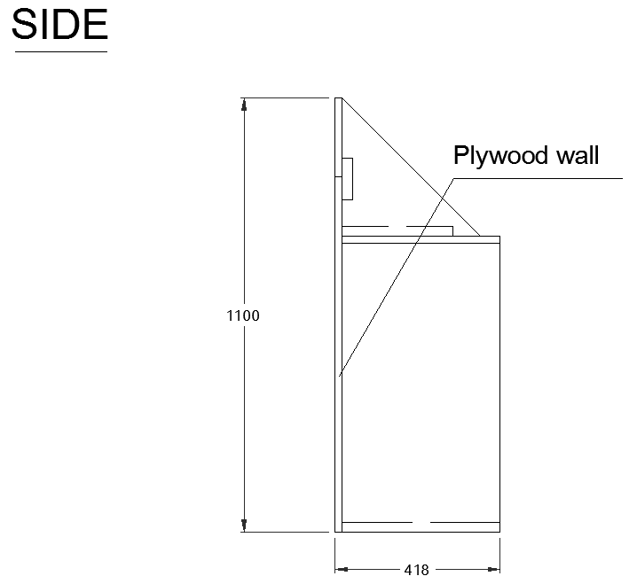
Chute | Width (m) |  | Channel | Description |  | Seed | Description
1 | 0.1 |  | 7 | Water Level inside the overtopping tank |  | 1 | Each seed denotes a different set of randomly generated waves. This has been included to explain possible variations in results for tests with identical conditions.
2 | 0.335 |  | 8 | Event Detector situated on the crest of the structure |  | 2
3 | 0.04 |  |  |  |  | 3

Wave condition | Water level (m) | Hs (m) | Tm (s) | Tp (s) | sm (-)
01 | 0.800 | 0.080 | 1.20 | 1.32 | 0.036
02 | 0.800 | 0.110 | 1.40 | 1.54 | 0.036
03 | 0.800 | 0.040 | 1.60 | 1.76 | 0.010
04 | 0.800 | 0.070 | 2.10 | 2.31 | 0.010
05 | 0.750 | 0.140 | 1.20 | 1.32 | 0.062
06 | 0.750 | 0.080 | 1.20 | 1.32 | 0.036
07 | 0.750 | 0.185 | 1.40 | 1.54 | 0.060
08 | 0.750 | 0.110 | 1.40 | 1.54 | 0.036
09 | 0.750 | 0.240 | 1.60 | 1.76 | 0.060
10 | 0.750 | 0.140 | 1.60 | 1.76 | 0.035
11 | 0.750 | 0.040 | 1.60 | 1.76 | 0.010
12 | 0.750 | 0.240 | 2.10 | 2.31 | 0.035
13 | 0.750 | 0.070 | 2.10 | 2.31 | 0.010
14 | 0.750 | 0.140 | 3.00 | 3.30 | 0.010
15 | 0.700 | 0.140 | 1.20 | 1.32 | 0.062
16 | 0.700 | 0.080 | 1.20 | 1.32 | 0.036
17 | 0.700 | 0.185 | 1.40 | 1.54 | 0.060
18 | 0.700 | 0.110 | 1.40 | 1.54 | 0.036
19 | 0.700 | 0.040 | 1.60 | 1.76 | 0.010
20 | 0.700 | 0.140 | 1.60 | 1.76 | 0.060
21 | 0.700 | 0.240 | 1.60 | 1.76 | 0.036
22 | 0.700 | 0.240 | 2.10 | 2.31 | 0.036
23 | 0.700 | 0.070 | 2.10 | 2.31 | 0.010
24 | 0.700 | 0.140 | 3.00 | 3.30 | 0.010

Structure | Description | Figure |  | Tank (Rectangular) | Length (mm) | Width (mm)
A1 | 1:2 slope with crest level* 1m | A1 |  | B | 250 | 112
A2 | 1:2 slope with crest level* 1.2m | A2 |  | C | 870 | 175
B1 | Simple vertical wall with crest level* 0.9m | B1 |  | D | 900 | 185
B2 | Simple vertical wall with crest level* 1.1m | B2
*Levels are relative to the flume floor.

Figure A1 |  |  |  | Figure A2
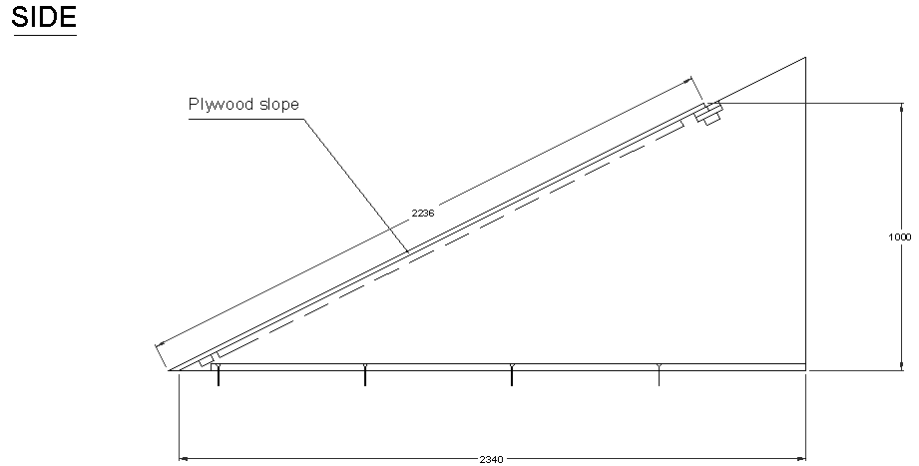
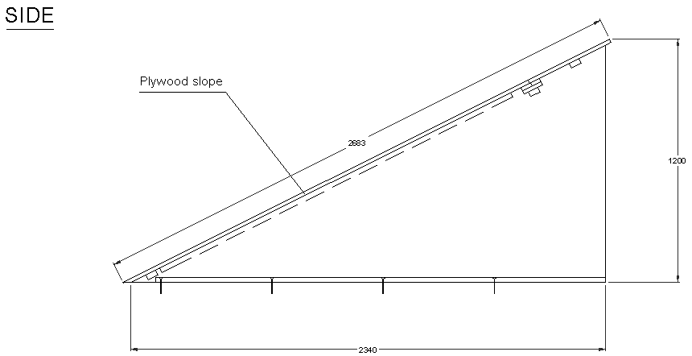

Figure B1 |  |  |  | Figure B2

