Read Me
I. Executive summary
The Austrian Science Fund (FWF), which is Austria's main funding organisation for basic research, encourages and helps all project leaders and project staff members to make their peer-reviewed research results freely available on the Internet. Since 1 January 2016, open access has been mandatory for all peer-reviewed publications listed in final reports on FWF-funded projects. Any exceptions must be clearly indicated and justified. For projects that started after 1 January 2015, open access has been compulsory for all peer-reviewed publications.
All principal investigators in FWF-funded projects are obliged to submit a final report within three months of completing their projects.
The publications and other data mentioned in those reports are archived and analysed by the FWF. This report examines the state of compliance with open access requirements on the basis of final project reports submitted in the year 2016.
Main findings:
A total of 6,994 publications were listed in the final project reports submitted in 2016.
Of those publications, 5,146 were conclusively identified as peer-reviewed.
Regarding compliance with the FWF's Open Access Policy, the report shows that 92% of the peer-reviewed publications that arose from FWF projects in 2016 are openly accessible (2015: 83%).
The most frequently chosen option is hybrid open access (40%). Since last year's report, the use of green open access has increased by 3%, other open access by 5%, and gold open access by 2%.
The majority of peer-reviewed publications submitted are journal articles, 93% of which are openly accessible.
The lowest rate of compliance with the FWF's Open Access Policy can be found in editions, contributions to edited volumes and monographs (58%).
Although open access is not compulsory, 48% of non peer-reviewed publications are freely available through the internet.
The absolute number of publications listed in final reports in 2016 includes 321 publications that are mentioned several times in different projects; however, those repetitions do not ultimately affect the relative share of open access publications (92%).
II. Bias
All publications were entered in the FWF’s database manually and with the utmost care when the final project reports were received. Nevertheless, it is not possible to rule out minor errors entirely. Moreover, some systematic problems need to be solved in the future; the FWF is currently preparing to implement a research information system in which FWF-funded researchers will be able to enter and update their research data on an ongoing basis.
Due to the amount of data involved, it was not possible to check the current open access status of all publications twice. The last check was performed in January 2017.
In some cases, the embargo period may have expired after submission, and publications labelled "Other open access" in the FWF’s database may now be accessible through green open access.
Whenever the status "peer-reviewed" could not be clearly identified according to FWF guidelines, the publications were classified as non peer-reviewed.

General Part
2015 |  |  |  |  | 2016

Table 1.1: Final project reports by funding programme (2015) [1] |  |  |  |  | Table 1.2: Final project reports by funding programme (2016) [1*]

Funding programme | Final reports submitted | % |  |  | Funding programme | Final reports submitted | %
Stand-Alone Projects | 286 | 58% |  |  | Stand-Alone Projects | 332 | 59%
International Programmes | 66 | 13% |  |  | International Programmes | 68 | 12%
Erwin Schrödinger Fellowships | 48 | 10% |  |  | Erwin Schrödinger Fellowships | 58 | 10%
+75 final reports submitted
Lise Meitner Programme | 23 | 5% |  |  | Lise Meitner Programme | 24 | 4%
Translational Research Programme | 16 | 3% |  |  | Translational Research Programme | 25 | 4%
Elise Richter Programme | 12 | 2% |  |  | Elise Richter Programme | 16 | 3%
START Programme | 11 | 2% |  |  | START Programme | 7 | 1%
Hertha Firnberg Programme | 9 | 2% |  |  | Hertha Firnberg Programme | 13 | 2%
National Research Networks (NFNs) | 1 | <0.5% |  |  | National Research Networks (NFNs) | / | 0%
Programme for Arts-Based Research | 6 | 1% |  |  | Programme for Arts-Based Research | 7 | 1%
Special Research Programmes (SFBs) | 3 | 1% |  |  | Special Research Programmes (SFBs) | 4 | 1%
Clinical Research Programme | 4 | 1% |  |  | Clinical Research Programme | 4 | 1%
Science Communication Programme | 4 | 1% |  |  | Science Communication Programme | 2 | <0.5%
Wittgenstein Award | 2 | <0.5% |  |  | Wittgenstein Award | / | 0%
FWF Doctoral Programme (DKs) | 1 | <0.5% |  |  | FWF Doctoral Programmes (DKs) | 6 | 1%
Total | 492 | 100% |  |  | GROW – Graduate Research Opportunities Worldwide | 1 | <0.5%
 |  |  |  |  | Total | 567 | 100%

[1] For NFNs and SFBs, the figures show the number of final project reports submitted. The number of sub-projects in each funding programme would be as follows: NFN: 6 subprojects; SFB: 28 subprojects. No links are available for the Translational Research Programme and National Research Networks because the programmes were discontinued in 2012 and 2013, respectively.

Table 2.1: Number of publications by year |  |  |  |  | Table 2.1: Number of publications by year

+753 publications entered
Publishing year | Number of items | % |  |  | Publishing year | Number of items | %
2004 | 1 | <0.5% |  |  | 2003 | 1 | <0.5%
2007 | 9 | <0.5% |  |  | 2006 | 1 | <0.5%
2008 | 44 | 1% |  |  | 2007 | 1 | <0.5%
2009 | 108 | 2% |  |  | 2008 | 73 | 1%
2010 | 291 | 5% |  |  | 2009 | 88 | 1%
2011 | 641 | 10% |  |  | 2010 | 139 | 2%
2012 | 1 | 17% |  |  | 2011 | 305 | 4%
2013 | 1 | 22% |  |  | 2012 | 597 | 9%
2014 | 2 | 27% |  |  | 2013 | 1104 | 16%
2015 | 1 | 16% |  |  | 2014 | 1679 | 24%
2016 | 14 | <0.5% |  |  | 2015 | 1882 | 27%
not dated | 4 | <0.5% |  |  | 2016 | 1099 | 16%
Total | 6,241 | 100% |  |  | 2017 | 6 | <0.5%
 |  |  |  |  | not dated | 19 | <0.5%
 |  |  |  |  | Total | 6,994 | 100%

Figure 1.1: Breakdown of submitted publications by funding programme |  |  |  |  | Figure 1.2: Breakdown of submitted publications by funding programme

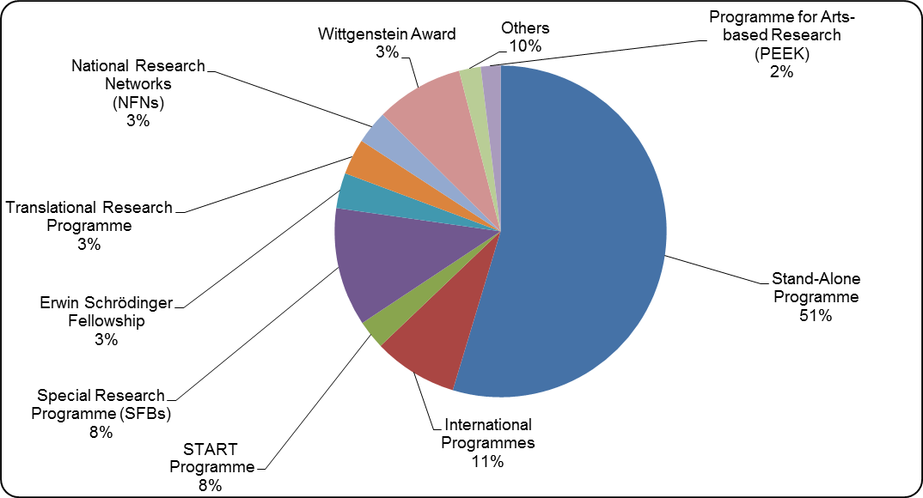
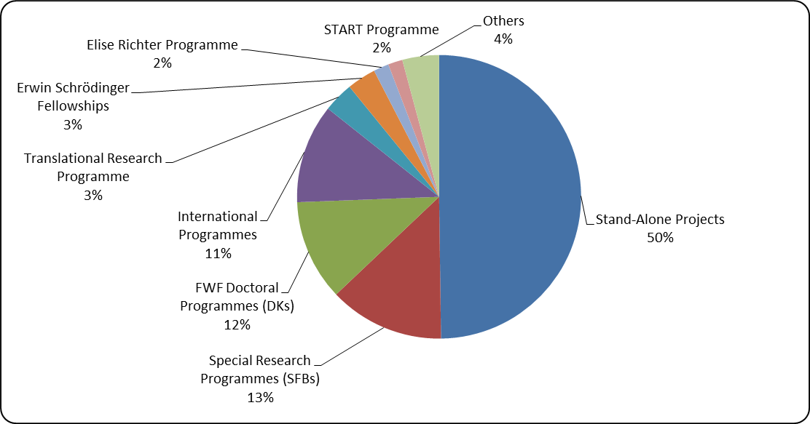
FWF Doctoral Programmes: +11%
National Research Networks: -3%
START Programme: -6%

HSS: -69 publications
BMS: +58 publications
NTS: -764 publications
Table 3.1: Publications and final reports by discipline |  |  |  |  | Table 3.1: Publications and final reports by discipline [2*]

Disciplinary cluster | No. of items | Share of publications (%) | Share of final reports (%) |  | Disciplinary cluster | No. of items | Share of publications (%) | Share of final reports (%)
Humanities and social sciences | 1,237 | 20% | 20% |  | Humanities and social sciences | 1,168 | 17% | 24%
Biology and medical sciences | 2,386 | 38% | 41% |  | Biology and medical sciences | 2,444 | 35% | 40%
Natural und technical sciences | 2,618 | 42% | 39% |  | Natural und technical sciences | 3,382 | 48% | 37%
Total | 6,241 | 100% | 100% |  | Total | 6,994 | 100% | 100%

 |  |  |  |  | [2*] Publications submitted within the framework of the Science Communications Programme were assigned to their respective disciplinary clusters: three to biology and medical sciences, two to natural and technical sciences.

Table 4.1: Peer-reviewed vs. non peer-reviewed items [1] |  |  |  |  | Table 4.2: Peer-reviewed vs. non peer-reviewed items [1]
+826 peer-reviewed items in total, mostly journal articles (+771)
Type of publication | Peer-reviewed items | Non peer-reviewed Items | No. of items | % | Type of publication | Peer-reviewed items | Non peer-reviewed items | No. of items | %
Journal article | 3,971 | 311 | 4,282 | 69% | Journal article | 4,742 | 255 | 4,997 | 71%
Proceedings | 273 | 770 | 1,043 | 17% | Proceedings | 237 | 797 | 1,034 | 15%
Edited volume / contribution to edited volumes / monograph | 336 | 297 | 633 | 10% | Edited volume / contribution to edited volumes / monograph | 427 | 167 | 594 | 8%
Working paper / preprint / research data |  | 117 | 117 | 2% | Working paper / preprint / research data |  | 235 | 235 | 3%
Artistic research presentation / other |  | 110 | 110 | 2% | Artistic research presentation / other |  | 69 | 69 | 1%
Articles for the media |  | 56 | 56 | 1% | Articles for the media |  | 54 | 54 | 1%
Total | 4,580 | 1,661 | 6,241 | 100% | Research data |  | 11 | 11 | <0.5%
 |  |  |  |  | Total | 5,406 | 1,588 | 6,994 | 100%

Open Access Overview
2015 |  |  |  | 2016

Figure 2.1: Open access to non peer-reviewed publications [3] |  |  |  | Figure 2.2: Open access to non peer-reviewed publications [3*]

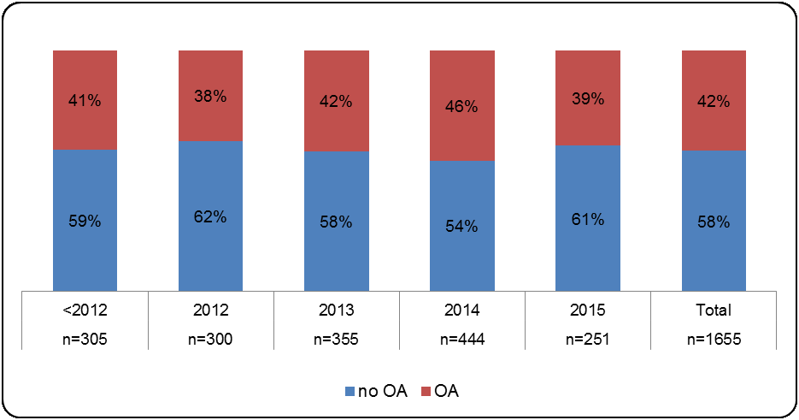
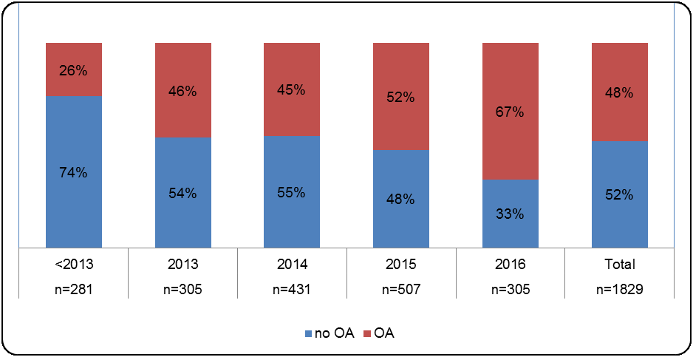

+174 non-peer reviewed items
+6% open access

[3] Four publications could not be dated conclusively; two were published in 2016. |  |  |  | [3*] Nineteen publications (mostly art research presentations) could not be dated conclusively.

+566 peer-reviewed items
+6% journal articles, +7% proceedings, +32% contributions to edited volumes / editions / monographs with open access licences
Table 5.1: Number of peer-reviewed publications and share of open access by publication type |  |  |  | Table 5.2: Number of peer-reviewed publications and share of open access by publication type

Format of publication | Peer-reviewed items | Open access (%) |  | Format of publication | Peer-reviewed items | Open access (%)
Journal article | 3,971 | 87% |  | Journal article | 4,742 | 93%
Proceedings | 273 | 85% |  | Proceedings | 237 | 92%
Edited volume / contribution to edited volumes / monograph | 336 | 26% |  | Edited volume / contribution to edited volumes / monograph | 167 | 58%
Total | 4,580 |  |  | Total | 5,146

Figure 3.1: Open access to peer-reviewed publications by publication year and in total |  |  |  | Figure 3.2: Open access to peer-reviewed publications by publication year and in total

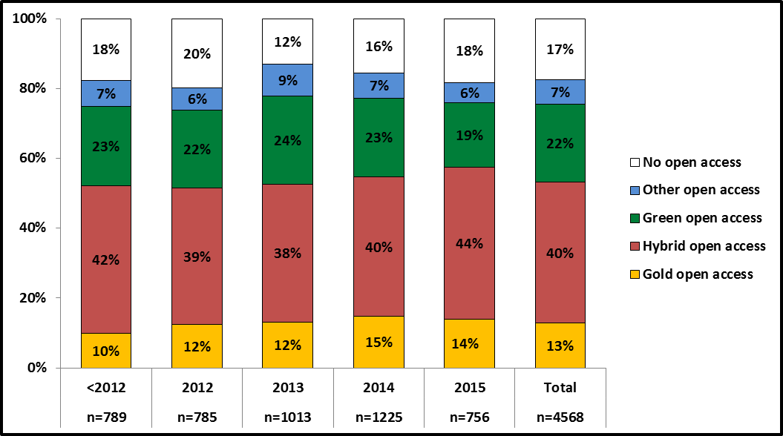
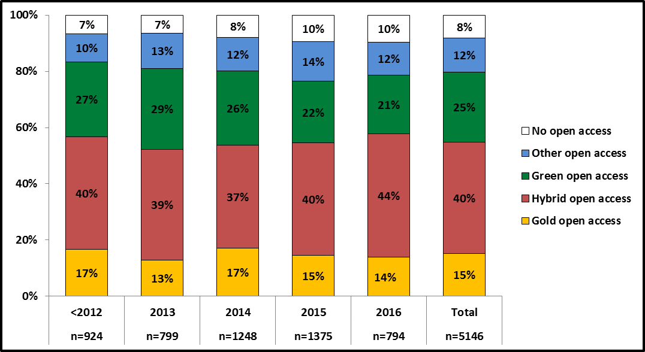

+9% open access[**]:
+2% gold open access
+3% green open access
+5% other open access

 |  |  | [**]rounded up

Humanities and Social Sciences
2015 | 2016

Figure 4.1: Humanities and social sciences: Peer-reviewed publications by type (total: 483 publications) | Figure 4.2: Humanities and social sciences: Peer-reviewed publications by type (total: 444 publications)

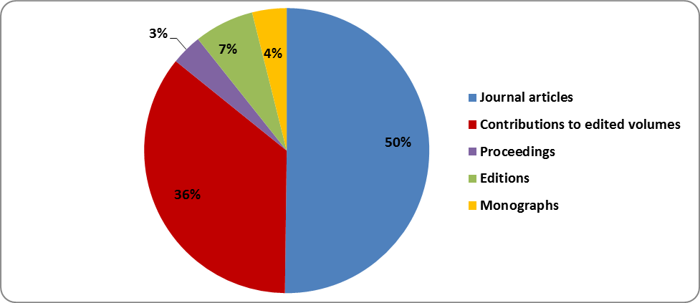
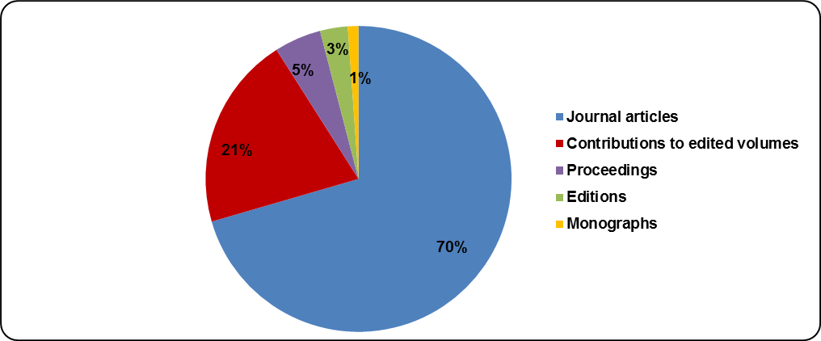
+20% journal articles
-15% contributions in edtited volumes
-4% editions
-3% monographs

Figure 5.1: Humanities and social sciences: Open access to peer-reviewed publications by year and in total | Figure 5.2: Humanities and social sciences: Open access to peer-reviewed publications by year and in total

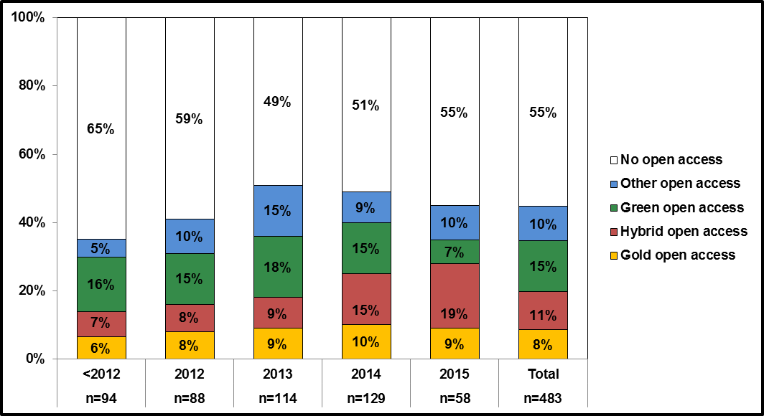
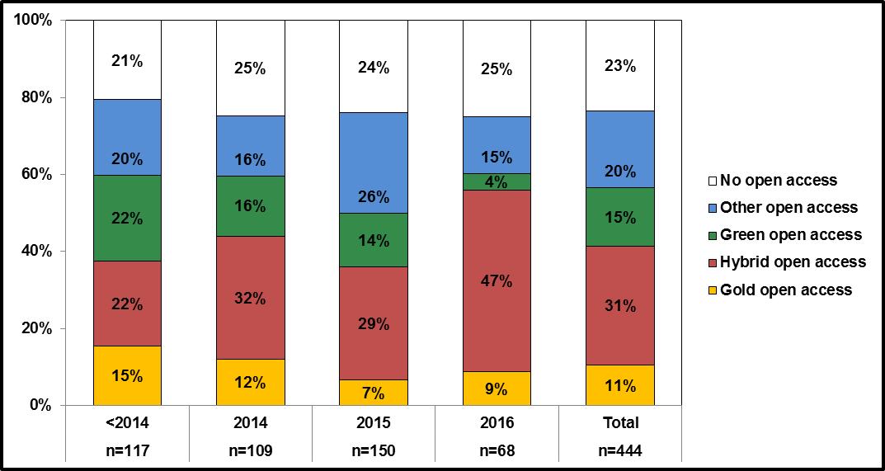

+32% open access:
+20% hybrid open access
+10% other open access
+3% gold open access

Biology and Medical Sciences
2015 | 2016

Figure 6.1: Biology and medical sciences: Peer-reviewed publications by type (total: 2,061 publications) | Figure 6.2: Biology and medical sciences: Peer-reviewed publications by type (total: 2,112 publications)

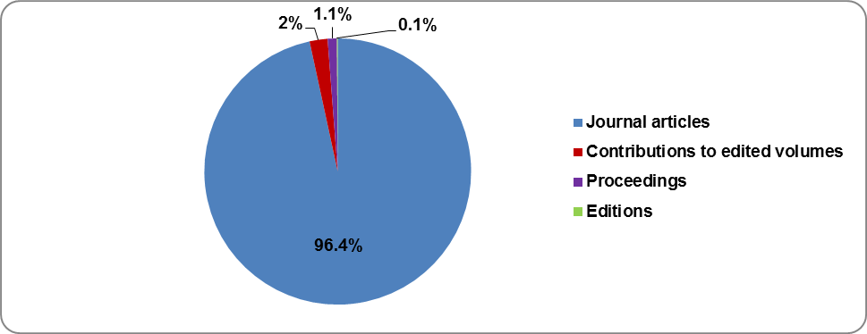
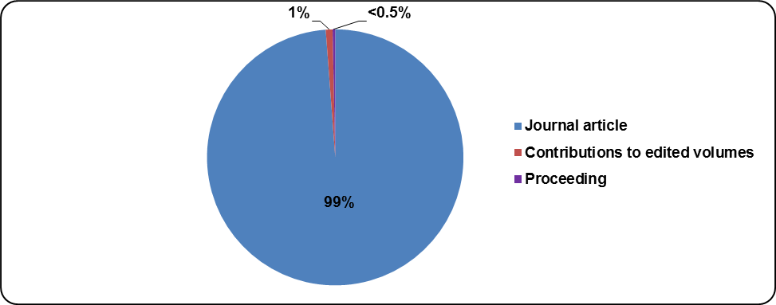
+2.6% journal articles
-1% contributions to edited volumes
No editions in 2016

Figure 7.1: Biology and medical sciences: Open access to peer-reviewed publications by year and in total | Figure 7.2: Biology and medical sciences: Open access to peer-reviewed publications by year and in total

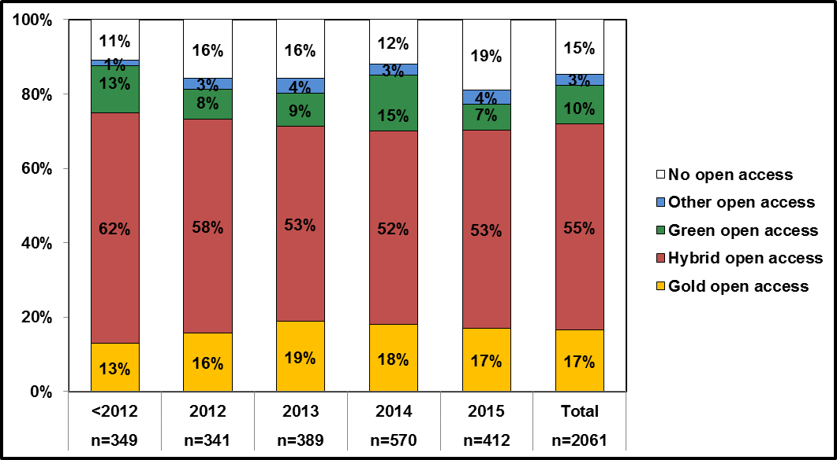
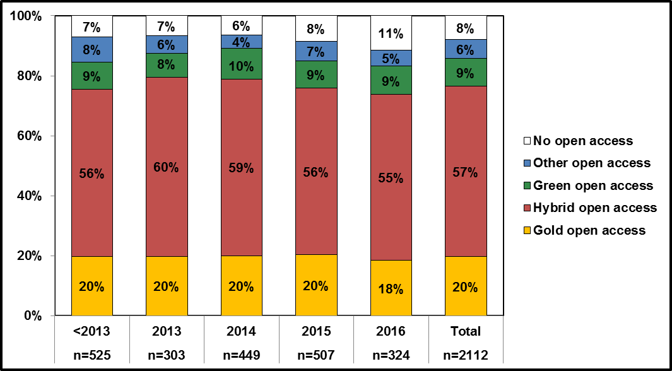

+7% open access:
+3% gold open access
+2% hybrid open access
+3% other open access

Natural and Technical Sciences
2015 | 2016

Figure 8.1: Natural and technical sciences: Peer-reviewed publications by type (total: 2,028 publications) | Figure 8.1: Natural and technical sciences: Peer-reviewed publications by type (total: 2,588 publications)

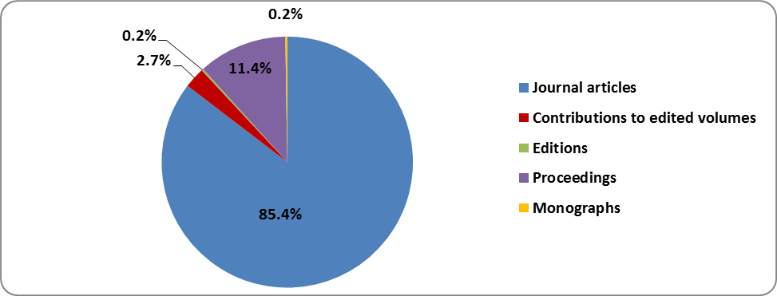
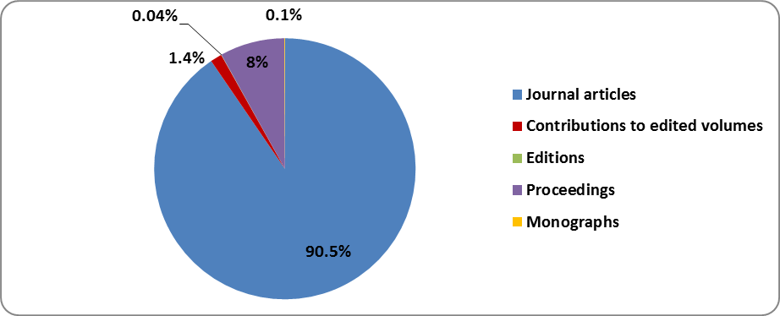
+5.1% journal articles
-3.4% proceedings
-1.3 % contributions to edited volumes

Figure 9.1: Natural and technical sciences: Open access to peer-reviewed publications by year and in total | Figure 9.2: Natural and technical sciences: Open access to peer-reviewed publications by year and in total

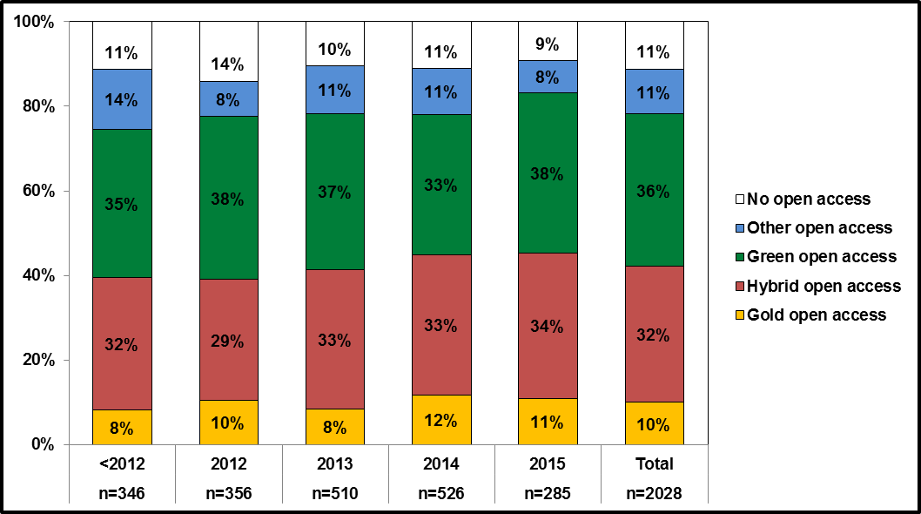
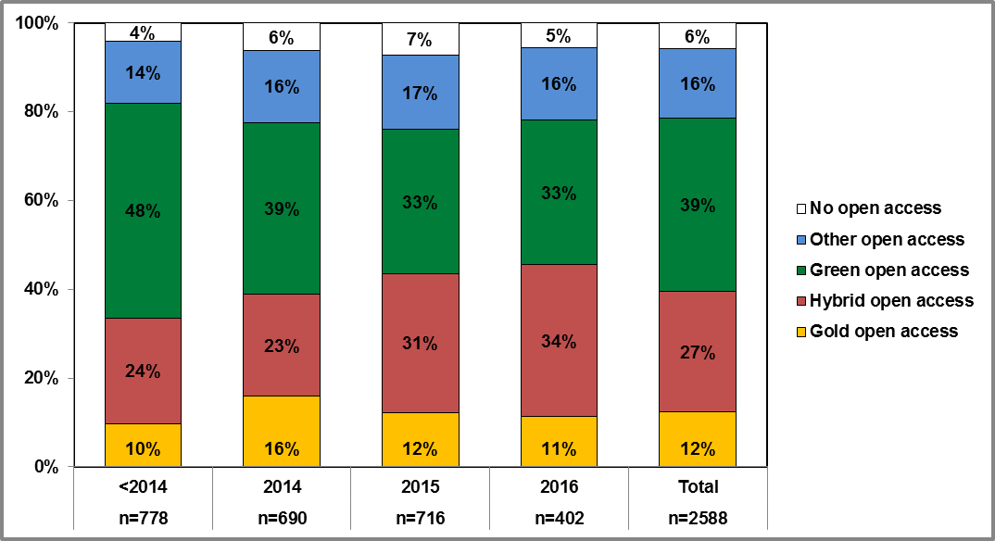
+5% open access:
+3% green open access
+2% gold open access
+5% other open access
-5% hybrid open access

Publishers and Licensing
2015 |  |  |  |  |  | 2016

Table 6.1: Peer-reviewed publications by publisher and disciplinary cluster [3*] |  |  |  |  |  | Table 6.2: Peer-reviewed publications by publisher and disciplinary cluster [3*]

No clear deviations can be found. The three most-used publishers in 2015 and 2016 were Springer Nature, Elsevier and Wiley-Blackwell.
Publisher | Number of peer-reviewed publications |  |  |  |  | Publisher | Number of peer-reviewed publications
 | Humanities and social sciences | Biology and medical sciences | Natural and technical sciences | Total | % |  | Humanities and social sciences | Biology and medical sciences | Natural and technical sciences | Total | %
Springer Nature / BioMed Central | 42 | 382 | 427 | 851 | 19% | Springer Nature / BioMed Central | 44 | 419 | 514 | 977 | 19%
Elsevier | 12 | 450 | 310 | 772 | 17% | Elsevier | 60 | 435 | 328 | 823 | 16%
Wiley-Blackwell | 15 | 296 | 131 | 439 | 10% | Wiley-Blackwell | 20 | 287 | 158 | 465 | 9%
Institute of Electrical And Electronics Engineers (IEEE) | 9 | 15 | 129 | 153 | 3% | American Physical Society (APS) | / | / | 363 | 363 | 7%
American Physical Society (APS) | / | 1 | 145 | 146 | 3% | IOP Publishing | 1 | 9 | 148 | 158 | 3%
Public Library of Science (PLOS) | / | 130 | 5 | 135 | 3% | Institute of Electrical And Electronics Engineers (IEEE) | / | 2 | 142 | 144 | 3%
American Chemical Society | / | 47 | 87 | 134 | 3% | American Chemical Society (ACS) | / | 44 | 92 | 136 | 3%
IOP Publishing | / | 1 | 122 | 123 | 3% | Public Library of Science (PLOS) | 10 | 120 | 5 | 135 | 3%
De Gruyter | 43 | 17 | 15 | 75 | 2% | Oxford University Press (OUP) | 10 | 99 | 26 | 135 | 3%
Austrian Academy of Sciences (ÖAW) Press | 38 | / | 1 | 39 | 1% | Taylor & Francis | 31 | 55 | 31 | 117 | 2%
Others | 327 | 726 | 657 | 1,713 | 37% | Others | 268 | 642 | 781 | 1,691 | 33%
Total | 486 | 2,065 | 2,029 | 4,580 | 100% | Total | 444 | 2,112 | 2,588 | 5,144 | 100%

[3*] The top three publishing houses in each disciplinary cluster are highlighted in green; the top three for all peer-reviewed publications submitted are shown in dark blue. |  |  |  |  |  | [3**] The top three publishing houses in each disciplinary cluster are highlighted in green; the top three for all peer-reviewed publications submitted are shown in dark blue.

Table 7.1: Hybrid and gold open access – Use of licences |  |  |  |  |  | Table 7.2: Hybrid and gold open access – Use of licences
Use of CC-BY: + 427 items
Licences for peer-reviewed publications | Number of items | Gold OA | Hybrid OA |  |  | Licences for peer-reviewed publications | Number of items | Gold OA | Hybrid OA
CC BY | 865 | 410 | 455 |  |  | CC BY | 1,292 | 602 | 690
CC BY -NC | 87 | 19 | 68 |  |  | CC BY -NC | 128 | 49 | 79
CC BY -NC -ND | 228 | 21 | 207 |  |  | CC BY -NC -ND | 262 | 53 | 209
CC BY -NC -SA | 34 | 14 | 20 |  |  | CC BY -NC -SA | 55 | 27 | 28
CC BY -SA | 5 | 5 | / |  |  | No licence specified | 1,088 | 53 | 1,053
No licence specified | 1,206 | 110 | 1,096 |  |  | Total | 2,825 | 784 | 2,059
Total | 2,425 | 579 | 1,846

